Network Diagrams
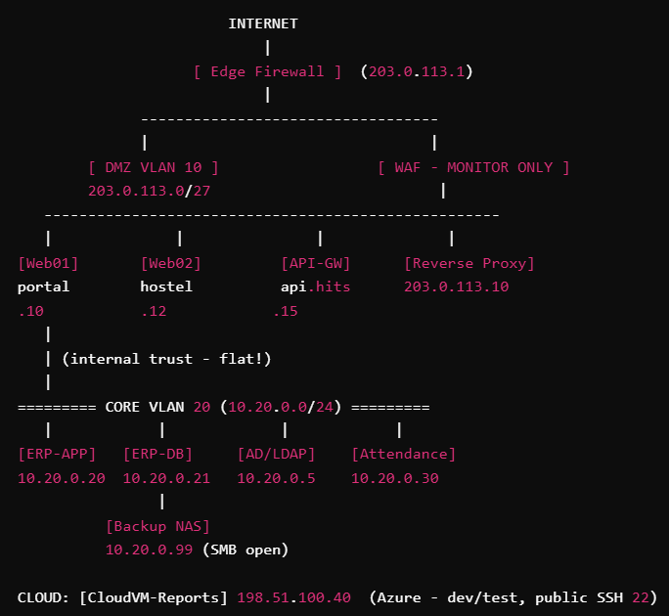
NETWORK DIAGRAMS

C1. Logical Network Diagram (ASCII — reproduce as visual)

